1. components + Inputs
Inputs |  | Component List & Properties
Mass Model |  | Mass Model Properties |  |  |  |  |  |  |  |  |  |  |  | Thermal Model Properties
Mass Allocation by Subsystem |  | Component |  |  |  |  |  | Dist. From Origin [cm] (Blue Dot) |  |  | Dimensions [cm] |  |  | Operating Conditions [C] |  |  | Heat Transfer Characteristics
Attitude Mass Allocation | 20.00% | Number | Component | Subsystem | Estimated Mass [kg] | Actual Mass [kg] | Method | X | Y | Z | Width (X) | Depth (Y) | Height (Z) | Min. Temp | Op. Temp | Max. Temp | Cond. (k) [W/m2] | Eff. Density [kg/m3] | Heat Cap. [W/m2] | Heat Gen. [W] | Rad. Threshold
Comms Mass Allocation | 5.00% | 1 | Battery + EPS | Power | 0.20 | 0.1480 | Off Shelf Modified | 0.00 | 0.00 | 5.00 | 10.00 | 10.00 | 2.00 | -25.00 | 0.00 | 50.00 | 1.00 | 1.00 | 1.00 | 1.00 | 1.00
Computing Mass Allocation | 10.00% | 2 | Torque rod 1 | Attitude | 0.10 | 0.0300 | Off Shelf | 5.00 | 9.00 | 0.00 | 1.00 | 1.00 | 4.00 | -25.00 | 0.00 | 50.00 | 1.00 | 1.00 | 1.00 | 0.00 | 1.00
Payload Mass Allocation | 10.00% | 3 | Torque rod 2 | Attitude | 0.10 | 0.0300 | Off Shelf | 0.00 | 0.00 | 0.00 | 1.00 | 10.00 | 20.00 | -25.00 | 0.00 | 50.00 | 20.00 | 1.00 | 1.00 | 2.00 | 1.00
Power Mass Allocation | 30.00% | 4 | Torque rod 3 | Attitude | 0.10 | 0.0300 | Off Shelf | 0.00 | 0.00 | 0.00 | 10.00 | 1.00 | 20.00 | -25.00 | 0.00 | 50.00 | 20.00 | 1.00 | 1.00 | 2.00 | 1.00
Structure/Thermal Mass Allocation | 25.00% | 5 | Solar Panel 1 | Power | 0.10 | 0.0500 | Off Shelf | 0.00 | 9.00 | 0.00 | 10.00 | 1.00 | 20.00 | -25.00 | 0.00 | 50.00 | 20.00 | 1.00 | 1.00 | 2.00 | 1.00
Cubesat Requirements |  | 6 | Solar Panel 2 | Power | 0.10 | 0.0500 | Off Shelf | 9.00 | 0.00 | 0.00 | 1.00 | 10.00 | 20.00 | -25.00 | 0.00 | 50.00 | 20.00 | 1.00 | 1.00 | 2.00 | 1.00
2U Max Mass [kg] | 3.60 | 7 | Solar Panel 3 | Power | 0.10 | 0.0500 | Off Shelf | 0.00 | 2.50 | 0.00 | 5.00 | 5.00 | 5.00 | -25.00 | 0.00 | 35.00 | 1.00 | 1.00 | 1.00 | 1.00 | 1.00
COG_x [cm] from volume center | +/- 2cm | 8 | Solar Panel 4 | Power | 0.10 | 0.0500 | Off Shelf | 0.00 | 0.00 | 0.00 | 2.50 | 5.00 | 1.00 | -25.00 | 0.00 | 50.00 | 1.00 | 1.00 | 1.00 | 1.00 | 1.00
COG_y [cm] from volume center | +/- 2cm | 9 | Solar Panel 5 | Power | 0.10 | 0.0500 | Off Shelf | 0.05 | 0.05 | 0.00 | 1.00 | 1.00 | 20.00 | -25.00 | 0.00 | 50.00 | 190.00 | 2700.00 | 1.00 | 0.00 | 1.00
COG_z [cm] from volume center | +/- 4cm | 10 | Solar Panel 6 | Power | 0.10 | 0.0500 | Off Shelf | 9.50 | 0.05 | 0.00 | 1.00 | 1.00 | 20.00 | -25.00 | 0.00 | 50.00 | 190.00 | 2700.00 | 1.00 | 0.00 | 1.00
Thermal Model |  | 11 | Solar Panel 7 | Power | 0.10 | 0.0500 | Off Shelf | 0.05 | 9.50 | 0.00 | 1.00 | 1.00 | 20.00 | -25.00 | 0.00 | 50.00 | 190.00 | 2700.00 | 1.00 | 0.00 | 1.00
Worst Case Hot [C] | -60 | 12 | Solar Panel 8 | Power | 0.10 | 0.0500 | Off Shelf | 4.50 | 4.50 | 10.00 | 0.98 | 0.98 | 1.12 | -25.00 | 0.00 | 50.00 | 1.00 | 1.00 | 1.00 | 0.00 | 1.00
Worst Case Cold [C] | 73 | 13 | Solar Panel 9 | Power | 0.10 | 0.0500 | Off Shelf | 5.00 | 9.00 | 0.00 | 1.00 | 1.00 | 4.00 | -25.00 | 0.00 | 50.00 | 1.00 | 1.00 | 1.00 | 0.00 | 1.00
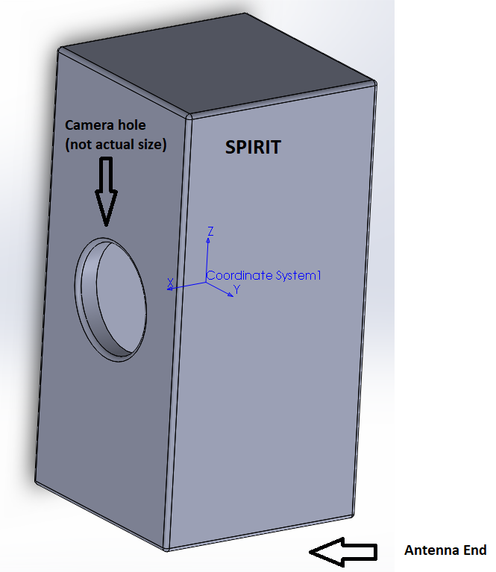
 |  | 14 | Sun Sensor 1 | ADCS | 0.00 | 0.0050 | Off Shelf | 9.50 | 9.50 | 0.00 | 1.00 | 1.00 | 20.00 | -25.00 | 0.00 | 50.00 | 1.00 | 1.00 | 1.00 | 1.00 | 1.00
 |  | 15 | Sun Sensor 2 | ADCS | 0.00 | 0.0050 | Off Shelf | 2.50 | 0.00 | 0.00 | 5.00 | 5.00 | 5.00 | -25.00 | 0.00 | 50.00 | 1.00 | 1.00 | 1.00 | 1.00 | 1.00
 |  | 16 | Sun Sensor 3 | ADCS | 0.00 | 0.0050 | Off Shelf | 0.00 | 0.00 | 1.00 | 10.00 | 10.00 | 1.00 | -25.00 | 0.00 | 50.00 | 1.00 | 1.00 | 1.00 | 1.00 | 1.00
 |  | 17 | GyroScope | ADCS | 0.00 | 0.0003 | Off Shelf
 |  | 18 | Magnometer | ADCS | 0.00 | 0.0003 | Off Shelf
 |  | 19 | Camera 1 | Payload | 0.15 | 0.1500 | Off Shelf
 |  | 20 | Camera 2 | Payload | 0.15 | 0.1500 | Off Shelf
 |  | 21 | Computer | Computing | 0.06 |  | Off Shelf Modified
 |  | 22 | Support 1 | Structure/Thermal |  | 0.0830 | Custom
 |  | 23 | Support 2 | Structure/Thermal |  | 0.0830 | Custom
 |  | 24 | Support 3 | Structure/Thermal |  | 0.0830 | Custom
 |  | 25 | Support 4 | Structure/Thermal |  | 0.0830 | Custom
 |  | 26 | Support 5 | Structure/Thermal |  | 0.0340 | Custom
 |  | 27 | Support 6 | Structure/Thermal |  | 0.0340 | Custom
 |  | 28 | Support 7 | Structure/Thermal |  | 0.0420 | Custom
 |  | 29 | Support 8 | Structure/Thermal |  | 0.0420 | Custom
 |  | 30 | Shelf 1 | Structure/Thermal |  | 0.0240 | Custom
 |  | 31 | Shelf 2 | Structure/Thermal |  | 0.0130 | Custom
 |  | 32 | Shelf 3 | Structure/Thermal |  | 0.0270 | Custom
 |  | 33 | Shelf 4 | Structure/Thermal |  | 0.0700 | Custom
 |  | 34 | Antenna | Comms | 0.06 | 0.1000 | Off Shelf
 |  | 35 | Transciever | Comms | 0.19 | 0.1900 | Off Shelf
 |  | 36
 |  | 37
 |  | 38
 |  | 39
 |  | 40
 |  | 41
 |  | 42
 |  | 43
 |  | 44
 |  | 45
 |  | 46
 |  | 47
 |  | 48
 |  | 49
 |  | 50
 |  | 51
 |  | 52
 |  | 53
 |  | 54
 |  | 55
 |  | 56
 |  | 57
 |  | 58
 |  | 59
 |  | 60
 |  | 61
 |  | 62
 |  | 63
 |  | 64
 |  | 65
 |  | 66
 |  | 67
 |  | 68
 |  | 69
 |  | 70
 |  | 71
 |  | 72
 |  | 73
 |  | 74
 |  | 75
 |  | 76
 |  | 77
 |  | 78
 |  | 79
 |  | 80
 |  | 81
 |  | 82
 |  | 83
 |  | 84
 |  | 85
 |  | 86
 |  | 87
 |  | 88
 |  | 89
 |  | 90
 |  | 91
 |  | 92
 |  | 93
 |  | 94
 |  | 95
 |  | 96
 |  | 97
 |  | 98
 |  | 99
 |  | 100
 |  | 101
 |  | 102
 |  | 103
 |  | 104
 |  | 105
 |  | 106
 |  | 107
 |  | 108
 |  | 109
 |  | 110
 |  | 111
 |  | 112
 |  | 113
 |  | 114
 |  | 115
 |  | 116
 |  | 117
 |  | 118
 |  | 119
 |  | 120
 |  | 121
 |  | 122
 |  | 123
 |  | 124
 |  | 125
 |  | 126
 |  | 127
 |  | 128
 |  | 129
 |  | 130
 |  | 131
 |  | 132
 |  | 133
 |  | 134
 |  | 135
 |  | 136
 |  | 137
 |  | 138
 |  | 139
 |  | 140
 |  | 141
 |  | 142
 |  | 143
 |  | 144
 |  | 145
 |  | 146
 |  | 147
 |  | 148
 |  | 149
 |  | 150
 |  | 151
 |  | 152
 |  | 153
 |  | 154
 |  | 155
 |  | 156
 |  | 157
 |  | 158
 |  | 159
 |  | 160
 |  | 161
 |  | 162
 |  | 163
 |  | 164
 |  | 165
 |  | 166
 |  | 167
 |  | 168
 |  | 169
 |  | 170
 |  | 171
 |  | 172
 |  | 173
 |  | 174
 |  | 175
 |  | 176
 |  | 177
 |  | 178
 |  | 179
 |  | 180
 |  | 181
 |  | 182
 |  | 183
 |  | 184
 |  | 185
 |  | STOP | STOP | STOP | STOP |  | STOP | STOP | STOP | STOP | STOP | STOP | STOP | STOP | STOP | STOP | STOP |  |  |  | STOP

